sequences with 3 adjacent varia
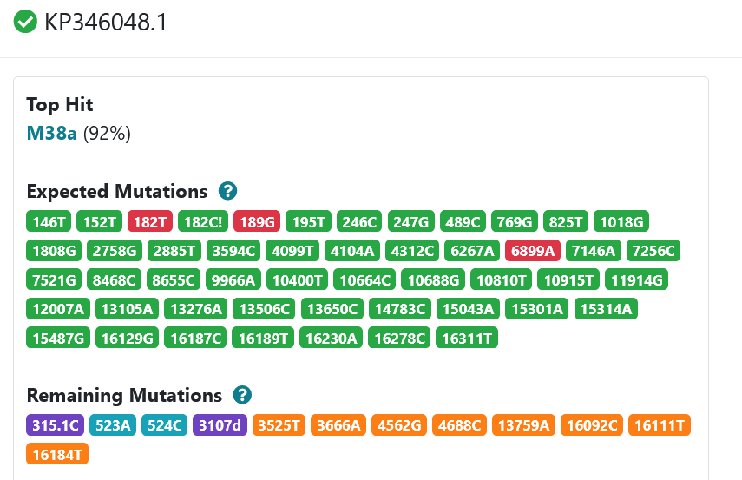
s.name | hg | sz | has_C16189T | iv | ct |  | MATCH (s:mt_seq) with s, apoc.coll.intersection(s.all_variants, ['C16189T','T16187d','16188.1T']) as iv with s, iv where size(iv)=3 RETURN s.name, size(iv) as sz, case when apoc.coll.contains(s.all_variants,'C16189T') then 1 else 0 end as has_C16189T, iv order by sz desc
AY963583 | M22a | 3 | 1 | [T16187d, C16189T, 16188.1T] | 1
HM460791 | M8a3 | 3 | 1 | [T16187d, C16189T, 16188.1T] | 1
KP346048 | M38a | 3 | 1 | [T16187d, C16189T, 16188.1T] | 1
MF043462 | G2b2 | 3 | 1 | [T16187d, C16189T, 16188.1T] | 1
MK941662 | I1b | 3 | 1 | [T16187d, 16188.1T, C16189T] | 1
MN628093 | M8a2b | 3 | 1 | [T16187d, C16189T, 16188.1T] | 1

The Cypher query uses set algebra to find intersection of 2 Cypher Lists
apoc.coll.intersection(s.all_variants, ['C16189T','T16187d','16188.1T']) as iv with s, iv where size(iv)=3

probe of these sequences in the region of interest
[1086112, 1086113, 1086115, 1086114, 1024359, 1024574, 1024646, 1025026, 1026034] |  |  |  |  |  | with ['T16187d', 'C16189T', '16188.1T'] as tv MATCH path=(s:mt_seq)-[r:seq_probe]->(p:probe) where apoc.coll.containsAll (s.all_variants,tv) and 15000 < p.ref_start_pos <17100 and size(apoc.coll.intersection(p.variants,tv))>0 and p.subsumed_by is null RETURN collect (p.pid)

 |  |  | Haplogrep3

